Sheet1
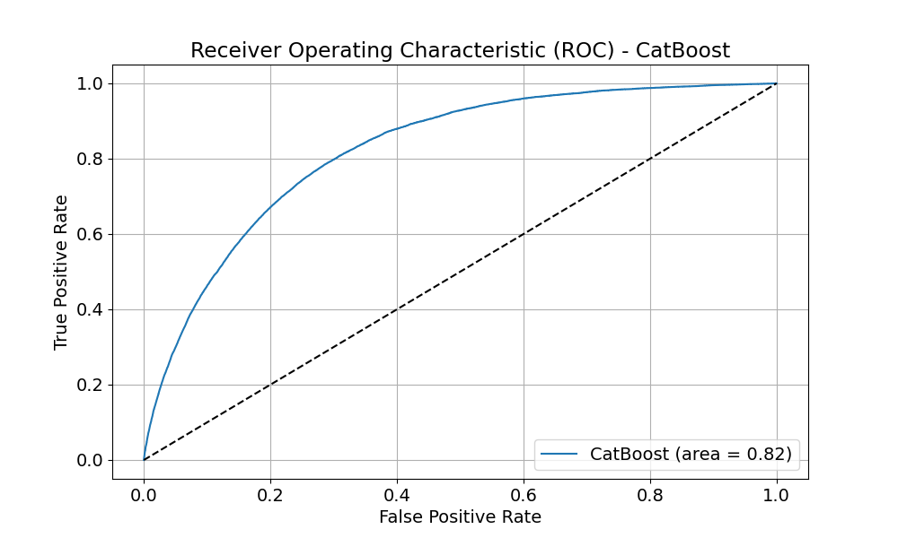
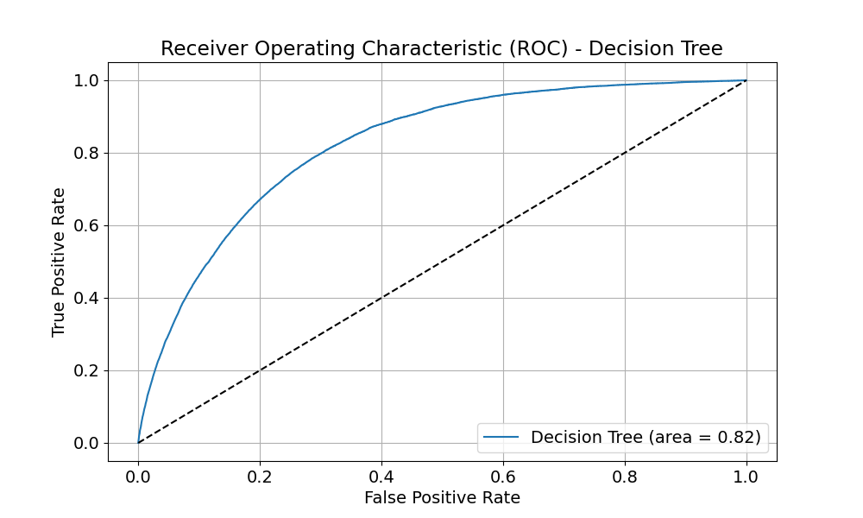
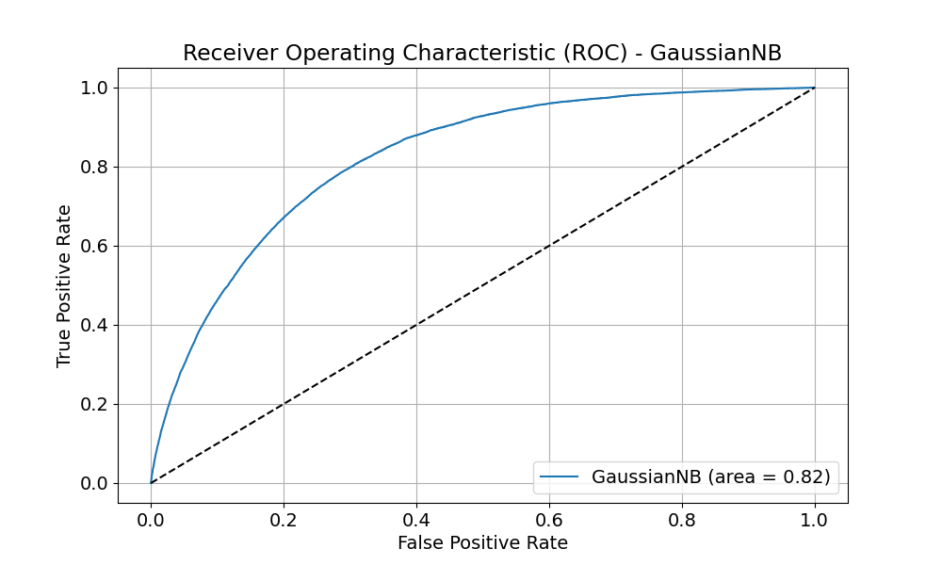
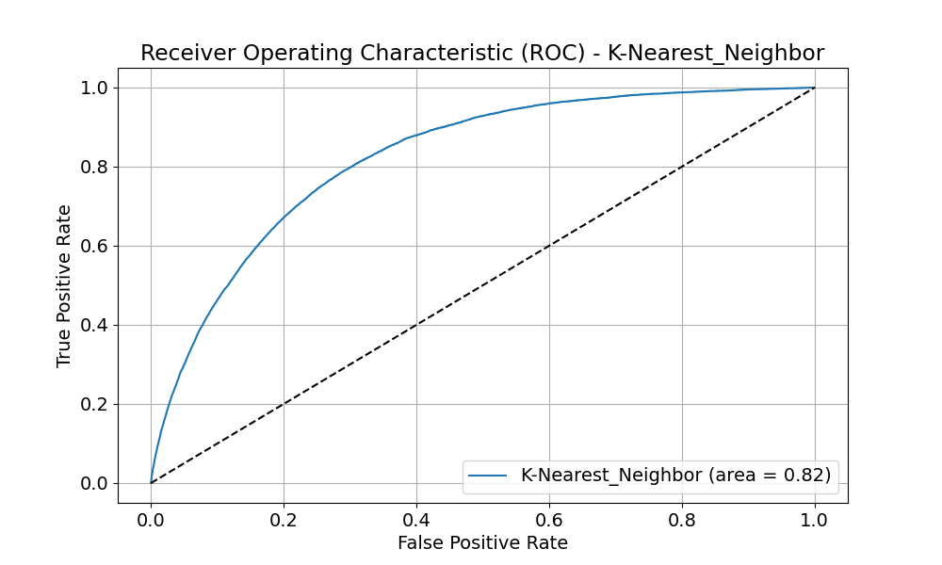

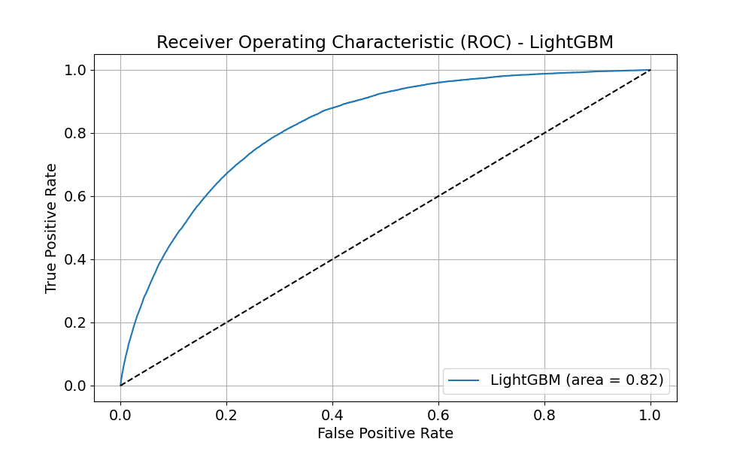
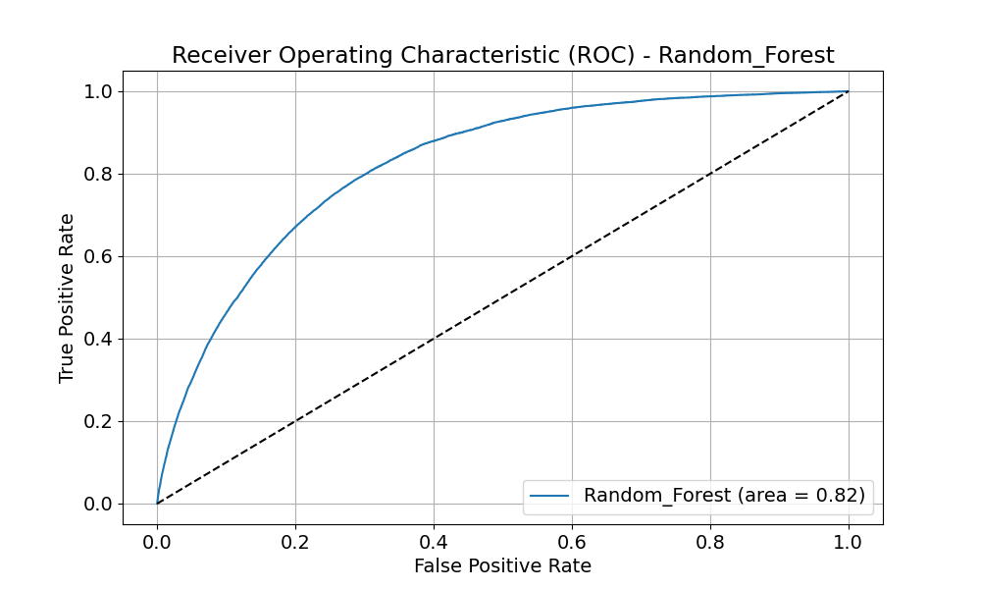

Paper | References | Citations | Reference | Objective | Problem | Solution | Future Scope | Summary | Research Questionos

Fast Gradient Method (FGM) |  |  | https://arxiv.org/abs/1412.6572
Checklist |  |  | https://slideslive.com/38929272/beyond-accuracy-behavioral-testing-of-nlp-models-with-checklist | The objective of CheckList is to provide a comprehensive behavioral testing methodology that can identify critical failures in both commercial and state-of-the-art models. It aims to improve the evaluation of NLP models by moving beyond accuracy metrics and considering a range of linguistic capabilities and behaviors. | The problem addressed by the paper is that measuring held-out accuracy as the primary approach to evaluate generalization often overestimates the performance of NLP models. Existing approaches for evaluating models either focus on individual tasks or on specific behaviors, which do not provide comprehensive guidance on how to evaluate models. | The solution proposed is CheckList, which guides users in what to test by providing a list of linguistic capabilities applicable to most tasks. It introduces different test types, such as prediction invariance in the presence of certain perturbations or performance on a set of "sanity checks." The implementation of CheckList includes multiple abstractions that help users generate large numbers of test cases easily, such as templates, lexicons, general-purpose perturbations, visualizations, and context-aware suggestions. | While the paper does not explicitly outline the future scope, it implies that CheckList's future work could involve expanding the matrix of capabilities and test types, refining the software tool for broader applications, and integrating the methodology into more NLP development and evaluation workflows. The methodology could also be adapted and extended to other areas of AI and machine learning beyond NLP. | The paper illustrates the utility of CheckList with tests for three tasks, revealing critical failures in commercial and state-of-the-art models. A user study showed that a team responsible for a commercial sentiment analysis model found new and actionable bugs in an extensively tested model using CheckList. Another study found that NLP practitioners with CheckList created twice as many tests and found almost three times as many bugs as those without it. | Evaluation of NLP Models: How can we evaluate NLP models beyond held-out accuracy to better understand their generalization capabilities? Methodology for Testing: What kind of methodology can be developed to conduct comprehensive and task-agnostic testing of NLP models? Effectiveness of Behavioral Testing: How effective is behavioral testing, inspired by software engineering principles, in identifying critical failures in NLP models? Utility of CheckList: How does the CheckList tool aid practitioners in creating tests and finding bugs in NLP models? Comparison with Existing Testing Practices: How does the CheckList methodology compare with existing practices in terms of the number of tests created and the number of bugs found?
Formal Verification |  |  | https://www.usenix.org/system/files/conference/usenixsecurity18/sec18-wang_0.pdf | the paper is related to interval analysis and its application in analyzing the security properties of deep neural networks (DNNs). The paper discusses the use of interval analysis to provide rigorous bounds on the solutions of an equation and how this method can be applied to achieve a near-precise approximation of the solutions in numerical optimization problems. | The problem addressed in the paper is related to the security properties of deep neural networks (DNNs) and the challenges associated with verifying these properties. The paper discusses the use of interval analysis to provide rigorous bounds on the solutions of an equation and how this method can be applied to achieve a near-precise approximation of the solutions in numerical optimization problems. The paper also discusses the challenges associated with parallelization in the setting of verifying DNNs and proposes a dynamic thread rebalancing algorithm to address these challenges. | The solution proposed in the paper revolves around the use of interval analysis to provide rigorous bounds on the solutions of an equation. This method is applied to achieve a near-precise approximation of the solutions in numerical optimization problems, which is crucial for verifying the security properties of deep neural networks (DNNs). The paper discusses several techniques and optimizations, such as iterative interval refinement, influence analysis, and monotonicity, to refine the estimated output ranges based on iterative interval refinement. Additionally, the paper proposes a dynamic thread rebalancing algorithm to address the challenges associated with parallelization in the setting of verifying DNNs. | The future scope of the paper is to support other activation functions in the symbolic interval propagation process. The current prototype implementation supports several common piece-wise linear activation functions such as regular ReLU, Leaky ReLU, and PReLU. However, the authors plan to explore the adaptation of the symbolic interval propagation process to support other activation functions that maintain inclusion isotonicity and Lipschitz continuity, such as tanh and sigmoid, as part of future work. This will allow for a more comprehensive analysis of the security properties of deep neural networks (DNNs) with different activation functions. | In summary, the main topic or objective of the paper is to analyze the security properties of deep neural networks (DNNs) using interval analysis. The problem addressed is the challenges associated with verifying the security properties of DNNs. The solution proposed is the use of interval analysis and a dynamic thread rebalancing algorithm to provide rigorous bounds on the solutions of an equation and achieve a near-precise approximation of the solutions in numerical optimization problems. The future scope of the paper is to support other activation functions in the symbolic interval propagation process to allow for a more comprehensive analysis of the security properties of DNNs with different activation functions.
Pytorch
Never2
PyNever
Adversarial Patch |  |  | https://arxiv.org/abs/1712.09665
DeepFool: a simple and accurate method to fool deep neural networks |  |  | https://arxiv.org/abs/1511.04599
DECISION-BASED ADVERSARIAL ATTACKS: RELIABLE ATTACKS AGAINST BLACK-BOX MACHINE LEARNING MODELS
Counterexample Classification⋆ | 15 | 0 |  |  |  |  |  |  | Effectiveness of Classification Techniques: How effective are current counterexample classification techniques in reducing the cognitive load on users during the debugging process? What are the limitations of existing classification methods in handling complex counterexamples with overlapping behaviors? Scalability and Performance: How do current classification techniques scale with increasingly complex models and specifications? What is the performance impact of counterexample classification on the overall model checking process, especially for large-scale systems? Generalization Across Domains: To what extent can counterexample classification techniques be generalized across different domains, such as security protocols, embedded systems, and distributed systems? What are the challenges in applying counterexample classification to real-world systems with domain-specific properties? Automation and Tool Support: How can automation be improved in the classification of counterexamples to minimize user intervention? What gaps exist in the tool support for counterexample classification, and how can they be addressed to integrate with various model checking tools? User-Defined Predicates and Customization: What are the challenges in defining summary predicates for counterexample classification, and how can users be assisted in this task? How can the process of customizing classification be made more intuitive and less error-prone for users without extensive formal methods expertise? Impact of Redundant Counterexamples: What is the impact of redundant counterexamples on the verification process, and how can classification techniques be optimized to handle redundancy more effectively? How can classification techniques be designed to ensure that no critical information is lost when grouping counterexamples? Integration with Development Workflows: How can counterexample classification be integrated into standard software development workflo

